Sheet2
Sweep method

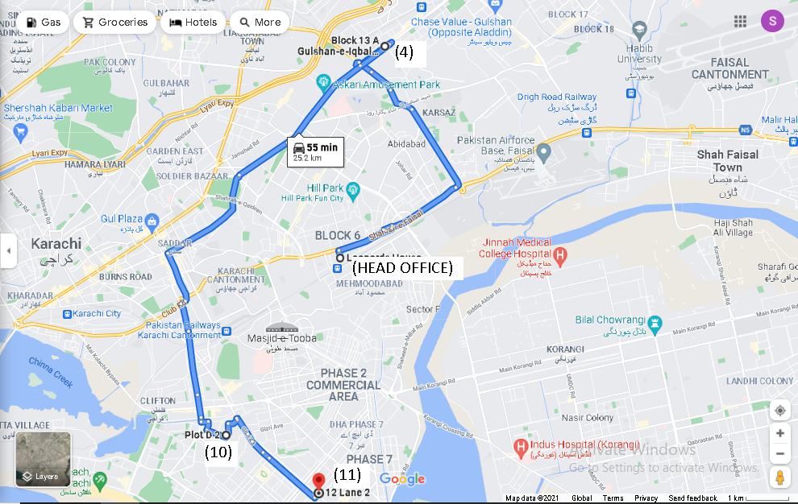

 | We can either use the anti-clockwise or the clockwise approach for the sweep method. So, by using the anti-clockwise approach we get the following sequence:
 | (H.O-4-10-11-H.O). The total length for this sequence will be 25.2 km as the map depicts.

